Statistics & Graph
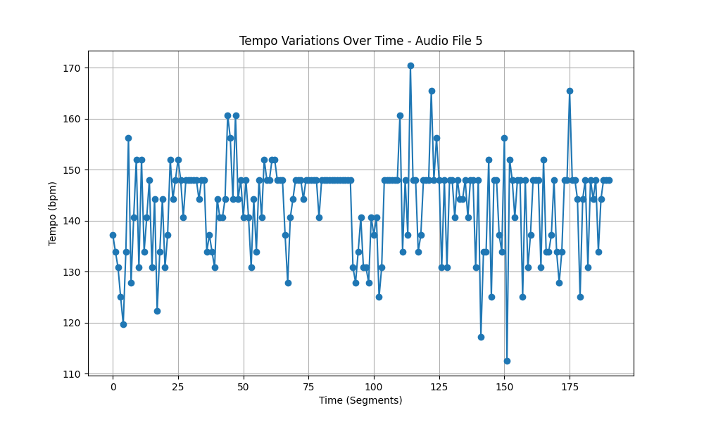
Metric | Value
Mean | 142.84985671
Standard Deviation | 9.1196219617
Coefficient of Variation (CV) | 6.3840609795

